Sheet1
Total Medal Count
 | 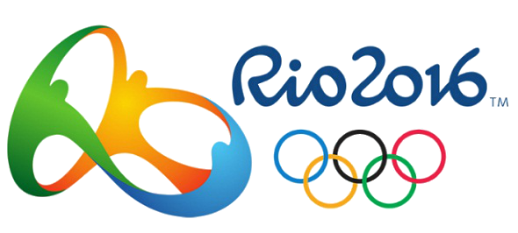
Rank | Country | Gold | Silver | Bronze | Total
1 | USA | 46 | 37 | 38 | 121
2 | Great Britain | 27 | 23 | 17 | 67
3 | China | 26 | 18 | 26 | 70
4 | Russia | 19 | 18 | 19 | 56
5 | Germany | 17 | 10 | 15 | 42
6 | Japan | 12 | 8 | 21 | 41
7 | France | 10 | 18 | 14 | 42
8 | South Korea | 9 | 3 | 9 | 21
9 | Italy | 8 | 12 | 8 | 28
10 | Australia | 8 | 11 | 10 | 29
11 | Netherlands | 8 | 7 | 4 | 19
Gold&Silver Medals Count
12 | Hungary | 8 | 3 | 4 | 15
13 | Brazil | 7 | 6 | 6 | 19
14 | Spain | 7 | 4 | 6 | 17
15 | Kenya | 6 | 6 | 1 | 13
16 | Jamaica | 6 | 3 | 2 | 11
17 | Croatia | 5 | 3 | 2 | 10
18 | Cuba | 5 | 2 | 4 | 11
19 | New Zealand | 4 | 9 | 5 | 18
20 | Canada | 4 | 3 | 15 | 22
21 | Uzbekistan | 4 | 2 | 7 | 13
22 | Kazakhstan | 3 | 5 | 9 | 17
23 | Colombia | 3 | 2 | 3 | 8
24 | Switzerland | 3 | 2 | 2 | 7
25 | Iran | 3 | 1 | 4 | 8
 | Total: | 258 | 216 | 251 | 725

